Objective Function Survey 1
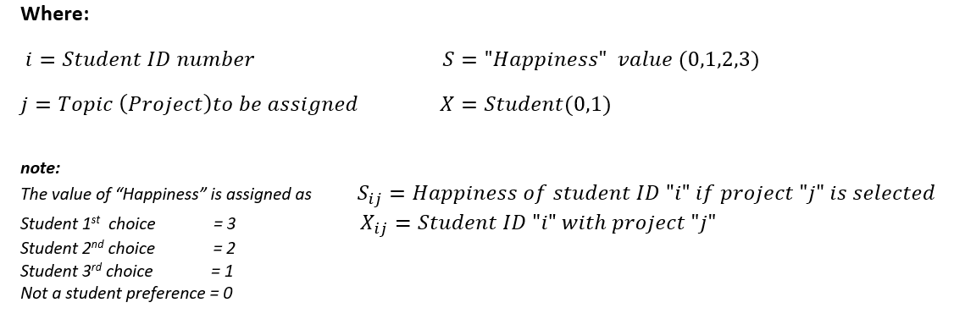

 | Excel Objective Function |  |  |  | 24

$$X$$
Decision Variables
 |  | Student ID number (i) |  |  |  |  |  |  |  |  |  | Project capacity slack
 |  | 1 | 2 | 3 | 4 | 5 | 6 | 7 | 8 | 9 | 10
Project Number (j) | 1 | 0 | 0 | 1 | 0 | 0 | 0 | 0 | 0 | 0 | 0 | 0
 | 2 | 0 | 1 | 0 | 0 | 0 | 0 | 0 | 0 | 1 | 0 | 0
 | 3 | 0 | 0 | 0 | 0 | 0 | 0 | 0 | 0 | 0 | 0 | 2
 | 4 | 0 | 0 | 0 | 0 | 1 | 0 | 0 | 0 | 0 | 0 | 1
 | 5 | 0 | 0 | 0 | 0 | 0 | 0 | 1 | 0 | 0 | 0 | 0
 | 6 | 0 | 0 | 0 | 1 | 0 | 0 | 0 | 0 | 0 | 0 | 0
 | 7 | 0 | 0 | 0 | 0 | 0 | 1 | 0 | 0 | 0 | 0 | 0
 | 8 | 0 | 0 | 0 | 0 | 0 | 0 | 0 | 0 | 0 | 1 | 0
 | 9 | 1 | 0 | 0 | 0 | 0 | 0 | 0 | 0 | 0 | 0 | 0
 | 10 | 0 | 0 | 0 | 0 | 0 | 0 | 0 | 1 | 0 | 0 | 1
 |  |  |  |  |  |  |  |  |  |  |  | 4

$$S$$
Student Preferences (Survey 1)
 |  | Student ID number (i)
 |  | 1 | 2 | 3 | 4 | 5 | 6 | 7 | 8 | 9 | 10
Project Number (j) | 1 | 0 | 0 | 3 | 1 | 0 | 0 | 0 | 0 | 2 | 0
 | 2 | 0 | 3 | 1 | 2 | 0 | 0 | 0 | 0 | 3 | 0
 | 3 | 0 | 0 | 0 | 0 | 0 | 0 | 0 | 0 | 0 | 0
 | 4 | 0 | 1 | 0 | 0 | 2 | 0 | 0 | 1 | 0 | 0
 | 5 | 3 | 0 | 0 | 0 | 3 | 1 | 3 | 3 | 0 | 3
 | 6 | 0 | 2 | 0 | 3 | 0 | 0 | 1 | 2 | 1 | 1
 | 7 | 0 | 0 | 0 | 0 | 0 | 3 | 0 | 0 | 0 | 0
 | 8 | 0 | 0 | 0 | 0 | 0 | 0 | 2 | 0 | 0 | 2
 | 9 | 2 | 0 | 2 | 0 | 1 | 0 | 0 | 0 | 0 | 0
 | 10 | 1 | 0 | 0 | 0 | 0 | 2 | 0 | 0 | 0 | 0

Student Happiness |  | 2 | 3 | 3 | 3 | 2 | 3 | 3 | 0 | 3 | 2 | 24 | Note: Max = 30

Student Happiness Slack |  | 1 | 0 | 0 | 0 | 1 | 0 | 0 | 3 | 0 | 1 | 6 | Note: Max per student = 3

Hard constraints | (1) Topic Capacity, (2a) Each Supervisor must have at least 1 student, (2b) Supervisor Capacity, (3) Each student must have exactly 1 project, (4) All internal supervisors' capacity must be used

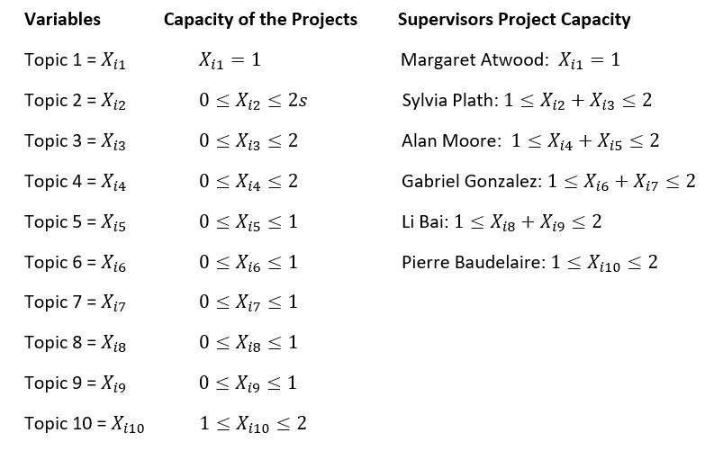
Type | Details | LHS | Operator | RHS |  | LHS | Operator | RHS

Capacity of the Projects | Sum of Xi1 | 1 | = | 1 |  | 1 | = | 1
 | Sum of Xi2 | 2 | >= | 0 |  | 2 | <= | 2
 | Sum of Xi3 | 0 | >= | 0 |  | 0 | <= | 2
 | Sum of Xi4 | 1 | >= | 0 |  | 1 | <= | 2
 | Sum of Xi5 | 1 | >= | 0 |  | 1 | <= | 1
 | Sum of Xi6 | 1 | >= | 0 |  | 1 | <= | 1
 | Sum of Xi7 | 1 | >= | 0 |  | 1 | <= | 1
 | Sum of Xi8 | 1 | >= | 0 |  | 1 | <= | 1
 | Sum of Xi9 | 1 | >= | 0 |  | 1 | <= | 1
 | Sum of Xi10 | 1 | >= | 1 |  | 1 | <= | 2

Supervisor Project Capacity | Sum of Xi1 (Margaret) | 1 | = | 1 |  | 1 | = | 1
 | Sum of Xi2+ Xi3 (Sylvia) | 2 | >= | 1 |  | 2 | <= | 4
 | Sum of Xi4 + Xi5 (Alan) | 2 | >= | 1 |  | 2 | <= | 2
 | Sum of Xi6 + Xi7 (Gabriel) | 2 | >= | 1 |  | 2 | <= | 2
 | Sum of Xi8 + Xi9 (Li) | 2 | >= | 1 |  | 2 | <= | 2
 | Sum of Xi10 (Pierre) | 1 | >= | 1 |  | 1 | <= | 2

Each Student 1 Project | Sum of X1j | 1 | = | 1
 | Sum of X2j | 1 | = | 1
 | Sum of X3j | 1 | = | 1
 | Sum of X4j | 1 | = | 1
 | Sum of X5j | 1 | = | 1
 | Sum of X6j | 1 | = | 1
 | Sum of X7j | 1 | = | 1
 | Sum of X8j | 1 | = | 1
 | Sum of X9j | 1 | = | 1
 | Sum of X10j | 1 | = | 1

All internals must be used | Sum of Xi4 to Xi9 | 6 | = | 6

Objective Function Survey 2
 | Excel Objective Function |  |  |  | 23

$$X$$
Decision Variables
 |  | Student ID number (i) |  |  |  |  |  |  |  |  |  | Project capacity slack
 |  | 1 | 2 | 3 | 4 | 5 | 6 | 7 | 8 | 9 | 10
Project Number (j) | 1 | 0 | 0 | 1 | 0 | 0 | 0 | 0 | 0 | 0 | 0 | 0
 | 2 | 0 | 1 | 0 | 0 | 0 | 0 | 0 | 0 | 1 | 0 | 0
 | 3 | 0 | 0 | 0 | 0 | 0 | 0 | 0 | 0 | 0 | 0 | 2
 | 4 | 0 | 0 | 0 | 0 | 1 | 0 | 0 | 0 | 0 | 0 | 1
 | 5 | 0 | 0 | 0 | 0 | 0 | 0 | 1 | 0 | 0 | 0 | 0
 | 6 | 0 | 0 | 0 | 1 | 0 | 0 | 0 | 0 | 0 | 0 | 0
 | 7 | 0 | 0 | 0 | 0 | 0 | 0 | 0 | 1 | 0 | 0 | 0
 | 8 | 0 | 0 | 0 | 0 | 0 | 0 | 0 | 0 | 0 | 1 | 0
 | 9 | 1 | 0 | 0 | 0 | 0 | 0 | 0 | 0 | 0 | 0 | 0
 | 10 | 0 | 0 | 0 | 0 | 0 | 1 | 0 | 0 | 0 | 0 | 1
 |  |  |  |  |  |  |  |  |  |  |  | 4

$$S$$
Student Preferences (Survey 2)
 |  | Student ID number (i)
 |  | 1 | 2 | 3 | 4 | 5 | 6 | 7 | 8 | 9 | 10
Project Number (j) | 1 | 0 | 0 | 3 | 1 | 0 | 0 | 0 | 0 | 2 | 0
 | 2 | 0 | 3 | 1 | 2 | 0 | 0 | 0 | 0 | 3 | 0
 | 3 | 0 | 0 | 0 | 0 | 0 | 0 | 0 | 0 | 0 | 0
 | 4 | 0 | 1 | 0 | 0 | 2 | 0 | 0 | 1 | 0 | 0
 | 5 | 3 | 0 | 0 | 0 | 3 | 1 | 3 | 3 | 0 | 3
 | 6 | 0 | 2 | 0 | 3 | 0 | 3 | 1 | 2 | 1 | 1
 | 7 | 0 | 0 | 0 | 0 | 0 | 0 | 0 | 0 | 0 | 0
 | 8 | 0 | 0 | 0 | 0 | 0 | 0 | 2 | 0 | 0 | 2
 | 9 | 2 | 0 | 2 | 0 | 1 | 0 | 0 | 0 | 0 | 0
 | 10 | 1 | 0 | 0 | 0 | 0 | 2 | 0 | 0 | 0 | 0

Student Happiness |  | 2 | 3 | 3 | 3 | 2 | 2 | 3 | 0 | 3 | 2 | 23 | Note: Max = 30

Student Happiness Slack |  | 1 | 0 | 0 | 0 | 1 | 1 | 0 | 3 | 0 | 1 | 7 | Note: Max per student = 3

Hard constraints | (1) Topic Capacity, (2a) Each Supervisor must have at least 1 student, (2b) Supervisor Capacity, (3) Each student must have exactly 1 project, (4) All internal supervisors' capacity must be used

Type | Details | LHS | Operator | RHS |  | LHS | Operator | RHS

Capacity of the Projects | Sum of Xi1 | 1 | = | 1 |  | 1 | = | 1
 | Sum of Xi2 | 2 | >= | 0 |  | 2 | <= | 2
 | Sum of Xi3 | 0 | >= | 0 |  | 0 | <= | 2
 | Sum of Xi4 | 1 | >= | 0 |  | 1 | <= | 2
 | Sum of Xi5 | 1 | >= | 0 |  | 1 | <= | 1
 | Sum of Xi6 | 1 | >= | 0 |  | 1 | <= | 1
 | Sum of Xi7 | 1 | >= | 0 |  | 1 | <= | 1
 | Sum of Xi8 | 1 | >= | 0 |  | 1 | <= | 1
 | Sum of Xi9 | 1 | >= | 0 |  | 1 | <= | 1
 | Sum of Xi10 | 1 | >= | 1 |  | 1 | <= | 2

Supervisor Project Capacity | Sum of Xi1 (Margaret) | 1 | = | 1 |  | 1 | = | 1
 | Sum of Xi2+ Xi3 (Sylvia) | 2 | >= | 1 |  | 2 | <= | 4
 | Sum of Xi4 + Xi5 (Alan) | 2 | >= | 1 |  | 2 | <= | 2
 | Sum of Xi6 + Xi7 (Gabriel) | 2 | >= | 1 |  | 2 | <= | 2
 | Sum of Xi8 + Xi9 (Li) | 2 | >= | 1 |  | 2 | <= | 2
 | Sum of Xi10 (Pierre) | 1 | >= | 1 |  | 1 | <= | 2

Each Student 1 Project | Sum of X1j | 1 | = | 1
 | Sum of X2j | 1 | = | 1
 | Sum of X3j | 1 | = | 1
 | Sum of X4j | 1 | = | 1
 | Sum of X5j | 1 | = | 1
 | Sum of X6j | 1 | = | 1
 | Sum of X7j | 1 | = | 1
 | Sum of X8j | 1 | = | 1
 | Sum of X9j | 1 | = | 1
 | Sum of X10j | 1 | = | 1

All internals must be used | Sum of Xi4 to Xi9 | 6 | = | 6

